Sheet1
 | test case for login (project 1)
 | project name | swag labs
 | module name | Login Page
 | created by | Shubham Marope
 | created dates | sun,14,sept
 | peer review by | -
 | peer review dates

Test ID | Steps | Expected Result | Actual Resut | Status | Priority | Environment
TC001 | Enter valid username (standard_use)r and valid password (secret_sauce),then click Login | User should be successfullyy logged in and redirected to the products page | As expected | Pass | High | Chrom,Edge,
TC002 | Enter valid username (locked_out_user) and valid password (secret_sauce),then click Login | System should show an error message:Sorry,this user has been locked out." | As expected | Pass | High | Chrom,Edge
TC003 | Enter valid username (problem_user) and valid password secret sauce,then click login | User should be logged in, but verify Ul or product images might display incorrectly (known issue) | As expected | Pass | Medium | Chrom,Edge,
TC004 | Enter valid username (performance_glitch_user) and valid password (secret_sauce), then click Login | User should log in, but system response may be delayed. Verify performance lag | As expected | Pass | Medium | Chrom,Edge
TC005 | Enter valid username error user and valid password secret sauce, then click Login | Verify system should handle error gracefully without crashing | As expected | Pass | Medium | Chrom,Edge
TC006 | Enter valid username visual user and valid password secret_sauce, then click Login | User should log in, but verify if there are any Ul/visual inconsistencies | As expected | Pass | Low | Chrom,Edge
TC007 | Enter invalid username random_user and valid password secret_sauce | System should display error: "Username and password do not match any user in this service." | As expected | Pass | High | Chrom,Edge
TC008 | Enter valid username standard user and invalid password wrong_pass | System should display error: "Username and password do not match any user in this service." | As expected | Pass | High | Chrom,Edge
TC009 | Enter blank username and valid password secret sauce, then click Login | System should show an error message: "Username is required." | As expected | Pass | High | Chrom,Edge
TC010 | Enter valid username standard user and keep password field blank, then click Login | System should show an error message: "Password is required." | As expected | Pass | High | Chrom,Edge
TC011 | Enter blank username and blank password, then click Login | System should show an error message: "Username is required." | As expected | Pass | High | Chrom,Edge
TC012 | characters @@@### and valid password secret sauce Enter username with special | System should display error: "Username and password do not match any user in this service." | As expected | Pass | Medium | Chrom,Edge

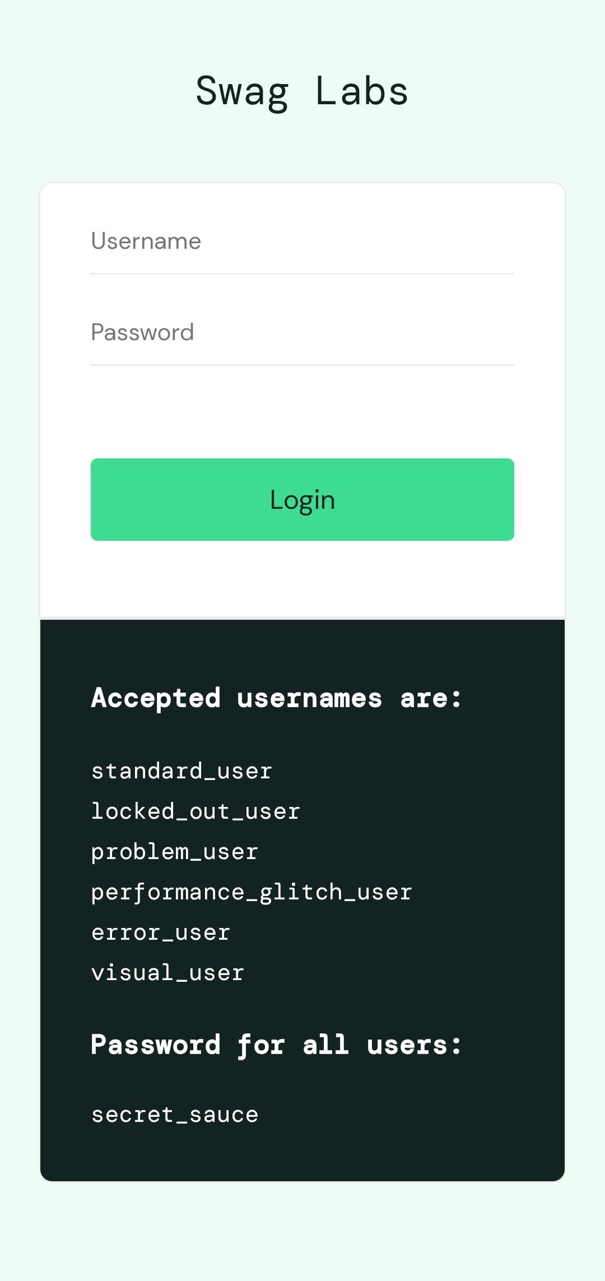

 | Swag Lab login page

bug Report
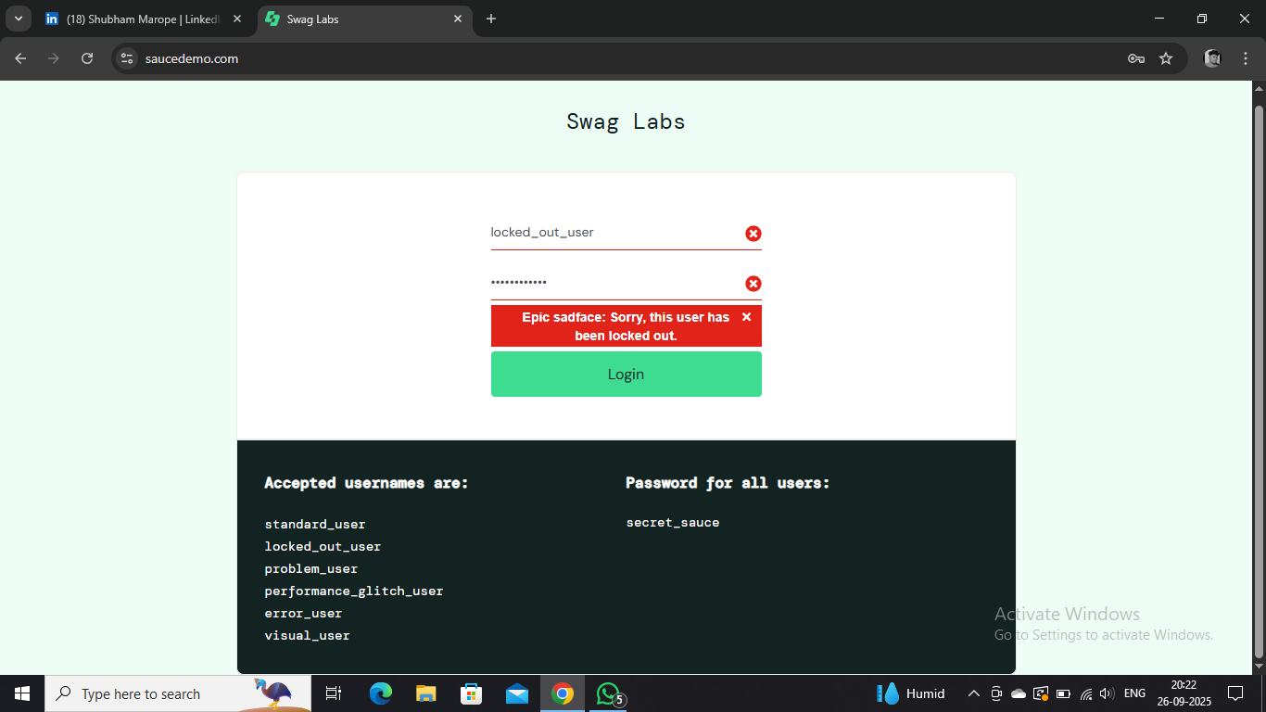
Example: Bug Title:Locked Out User Message Reveals Account Lock Status
Bug ID | Environment | Steps o Reeproduce | Actual Result | Expected Result | Severty and Priority
1 | Chrome | A numbered list of actions taken that leads to the bug.Example:Go to the login page.Enter( "locked_out_user" )in the username field.Enter( "secret_sauce") in the password field. Click "Login". | Describe exactly what happens.Example: Message: "Epic sadface: Sorry, this user has been locked out." appears | The system should display a generic error message, not reveal locked-out status. | Major

